1. Title Page
Project Name: Instacart Basket Analysis
Date: 11/17/2021
Analyst Name: Neha Tailor

Contents:
Population Flow
Consistency checks
Wrangling steps
Column derivations
Visualizations
Recommendations

Data Citation
“The Instacart Online Grocery Shopping Dataset 2017”, Accessed from https://www.instacart.com/datasets/grocery-shopping-2017 on 09/13/2021.

Objective
You’re an analyst for an existing company, Instacart, an online grocery store that operates through an app. Instacart already has very good sales, but they want to uncover more information about their sales patterns. Your task is to perform an initial data and exploratory analysis of some of their data in order to derive insights and suggest strategies for better segmentation based on the provided criteria.

Context
The Instacart stakeholders are most interested in the variety of customers in their database along with their purchasing behaviors. They assume they can't target everyone using the same methods, and they’re considering a targeted marketing strategy. They want to target different customers with applicable marketing campaigns to see whether they have an effect on the sale of their products. Your analysis will inform what this strategy might look like to ensure Instacart targets the right customer profiles with the appropriate products. The stakeholders would like to be able to answer the following key questions:

Key Questions:
● The sales team needs to know what the busiest days of the week and hours of the day are (i.e., the days and times with the most orders) in order to schedule ads at times when there are fewer orders.
● They also want to know whether there are particular times of the day when people spend the most money, as this might inform the type of products they advertise at these times.
● Instacart has a lot of products with different price tags. Marketing and sales want to use simpler price range groupings to help direct their efforts.
● Are there certain types of products that are more popular than others? The marketing and sales teams want to know which departments have the highest frequency of product orders.
● The marketing and sales teams are particularly interested in the different types of customers in their system and how their ordering behaviors differ. For example:
 | ● What’s the distribution among users in regards to their brand loyalty (i.e., how often do they return to Instacart)?
 | ● Are there differences in ordering habits based on a customer’s loyalty status?
 | ● Are there differences in ordering habits based on a customer’s region?
 | ● Is there a connection between age and family status in terms of ordering habits?
 | ● What different classifications does the demographic information suggest? Age? Income? Certain types of goods? Family status?
 | ● What differences can you find in ordering habits of different customer profiles? Consider the price of orders, the frequency of orders, the products customers are ordering, and anything else you can think of.

2. Population Flow
Title page

Population flow

Exclusion flag
Condition: max_order < 5
Obervations to be removed: Remove the customers who makes less than 5 orders. 1441548
Final total count of order_products_all: 30992664

Orders_products_combined
Orders_products_merged
Orders_products_all

Total: 32434212
Total: 32434489
Total: 32434212

1.) The grey boxes in the first row of the population flow represent the original data sets as they were when you downloaded them. In the Total fields you need to add the count of the rows when you imported the data set into Jupyter.
2.) The second row of boxes (coloured) represents the data sets after you manipulated them, e.g., removed missing values and duplicates. In the Total fields you need to add the count of the rows after conducting these operations. This offers a visual oveview of how the data flows throughout the data consistency checks.
3.) The third row, where also the arrows are coloured, represents the merges you performed between the datasets. In the Total fields you need to add the count of the rows in the merged datasets, so that you end up with the final dataset (in the red box). Keep in mind the final dataset should be without exclusions (based on the exclusion flag).

3. Consistency checks
 |  |  |  | Title page
Consistency checks

Dataset | Missing values | Missing values treatment | Duplicates
orders | 206209 | Due to the large number of missing values a subset was created for all missing values. The mean value of the missing values was derived and used to replace the missing values | No duplicates found
products | 16 | Deleted | 5
orders_products_prior | None | N/A | No duplicates found
customers | None | N/A | No duplicates found

4. Wrangling steps
 |  |  |  | Title page
Wrangling steps

Columns dropped | Columns renamed | Columns' type changed | Comment/Reason
Eval_set |  |  | not relevant for the final analysis
 | order_dow to orders_day_of _week |  | change abbreviation to allow everyone to follow
 |  | order_id | changed to string/object
 |  | orders_day_of_week | changed to string/object
 | user_id to User_Id |  | To keep all the columns the same font/style
 | First Name to First_name |  | To keep all the columns the same font/style
 | Surnam to Surname |  | Typo
 | STATE to State |  | To keep all the columns the same font/style
 | date joined to Date_Joined |  | To keep all the columns the same font/style
 | n_dpendants to Number_of_Dependants |  | To keep all the columns the same font/style
 | fam_status to Family_status |  | To keep all the columns the same font/style
 | income to Income |  | To keep all the columns the same font/style
First_name |  |  | PII data
Surname |  |  | PII data
 | reordered |  | not relevant for the final analysis
 | Unnamed: 0_x |  | not relevant for the final analysis
 | Unnamed: 0_y |  | not relevant for the final analysis
 | _merge |  | not relevant for the final analysis
 |  | order_hour_of_day | changed to uint16/reduces memory usage
 |  | product name | changed to category/reduces memory usage
 |  | department_id | changed to uint16/reduces memory usage
 |  | prices | changed to int32/reduces memory usage
 |  | price range loc | changed to category/reduces memory usage
 |  | busiest days | changed to category/reduces memory usage
 |  | existimg customer | changed to category/reduces memory usage
 |  | max order | changed to int16/reduces memory usage
 |  | loyalty flag | changed to category/reduces memory usage
 |  | spending flag | changed to category/reduces memory usage

5. Column derivations
 |  |  |  | Title page

Column derivations and aggregations

In this tab you should add tables below that the frequences of flags/label variables that you produced after deriving them. NB: don't do this for continuous variables, only for flags.
Dataset | New column | Column/s it was derived from | Conditions
orders_products_merged | price_range_loc | prices | < 5 = Low-Range Products, > 5 and <= 15 = Mid-Range Products, > 15 = High-Range products
orders_products_merged | busiest_day | orders_day_of_the_week | The busiest days of the week were identified and therefore the least busiest days identified also
orders_products_merged | busiest_days | orders_day_of_the_week | Two most busiest days of the week
orders_products_merged | busiest_period_of_day | order_hour_of_day | Most orders, Average Orders and Fewest Orders at the different times of the day.
orders_products_merged | loyalty_flag | max_order | Looking at customer loyalty. < 10 = New Customer, >10 and <= 40 = Regular Customer, > 40 = Loyal Customer
orders_products_merged | spending_flag | prices | < 10 = Low Spender, >= 10 = High Spender
orders_products_merged | frequency_flag | days_since_prior_order | <= 10 = Frequent Customer, >10 and <= 20 = Regular Customer, >20 Non frequent customer
ords_prods_custs_complete | Region | State | Look at the different regions instead of individual states
ords_prods_custs_complete | Exclusion_flag | max_order | max_order < 5 = Low activity customer, >=5 = regualr customer
ords_prods_custs_complete | age_bracket | age | Group the different age groups
ords_prods_custs_complete | Income_Range | income | Group the customers depending on their income
ords_prods_custs_complete | department | department_id | Identify the acutal department section name instead of number
ords_prods_custs_complete | weekday | orders_day_of_the_week | To identify the name of the weekday in correspondance to the number.

6. Visualizations
 |  | Title page

Visualisations

In this tab you should include all the visualisations from Exercises 4.9 and 4.10, alongside the questions from the project brief that they answer. Include any commentary on the relationship between different variables.

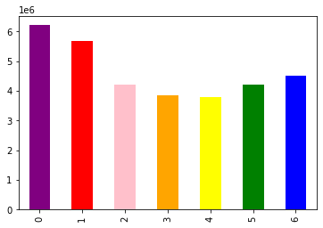
This bar chart looks at the number of orders per day of the week.
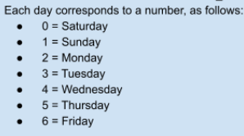

From this chart we can see that Saturday and Sunday are the busiest days and least busiest days are Tuesday and Wednesday.

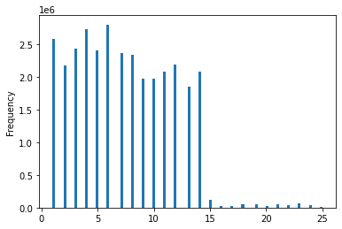
This chart sets out to look at the prices of the products and how many of those products are bought.
From this chart, most products are between $1 and $15, with a few priced higher between $15 and $25.

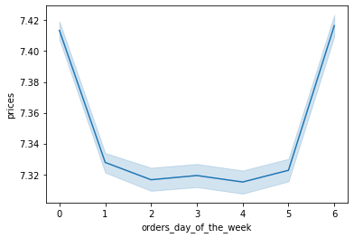
The line chart shows Sundays and Fridays sell the products with higher prices and therefore most money is spent on these two days. The rest of the week there is less money spent, which makes senses if customers are doing a full shop over the weekend.

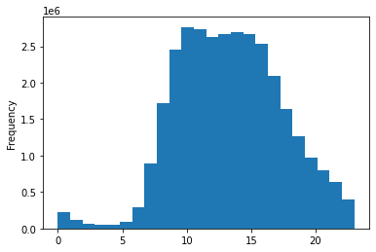
This chart sets out determine the number of orders placed throughout the day. Most of the orders start around 5am and peak between 9am and 3pm when they begin to decrease.

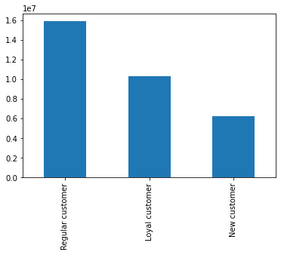
This chart shows the distribution of orders amongst the customers in terms of loyalty.

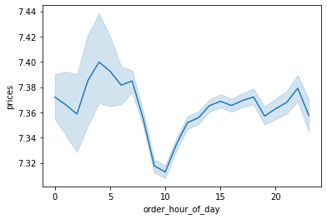

This line chart sets out to look at the expenditure (prices) depending on the hour of the day. From this chart the highest expenditure is around 5am in the morning, with the lowest being at 10 am.

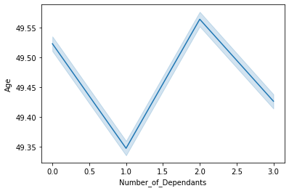
This line chart looks at customer demopgraphics to see whether there is any connection between age and the number of dependants. The line chart shows us that the older the average age they either have no dependants or two, but the lower the avergae age there either one dependant or 3.

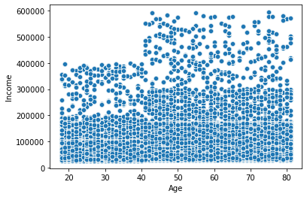
This scatterplot looks at the connection between age and spending power. Therefore 'Age' and 'Income' were plotted against each other. This scatterplot shows the older the age the higher the income and therfore potentially suggesting higher spending power.

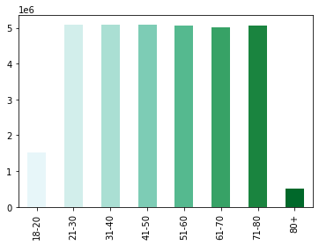
This bar chart sets out to look at customers in different age groups. As we can see most of the customers are between the ages of 21 and 80.

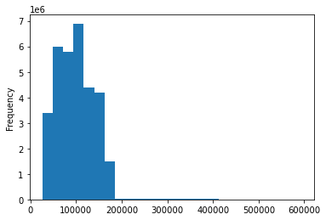

This bar chart shows customer income and the frequency of the orders made.

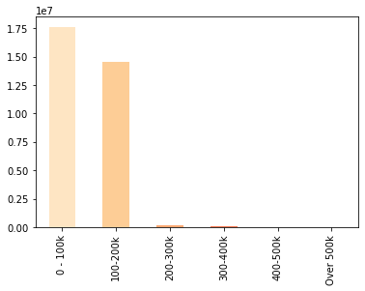

To make the above chart a little more clearer income range brackets were used. The result of doing so meant we can clearly see most customers have an income between 0-100k followed by 100-200k. There are a few from the higher brackets.

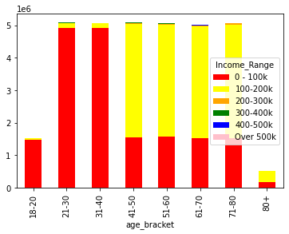

This stacked bar chart looks at Income range within each age bracket. For most customers aged 18-40 the income range is between 0-100k, whilst for customers between the age of 41-80 the majority have an income of between 100-200k

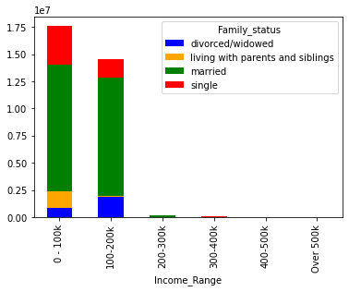

This chart looks at the groups within the Family Status column and Income range. Whilst we have already establised that most customers have an income between 0-200k, we can now see those with a family status of 'married' fall within the majory income range

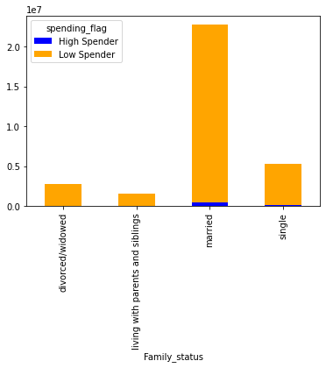

The majority of the customers are married and are the lowest spenders on Instacart. Those living with parents and siblings spend the least.

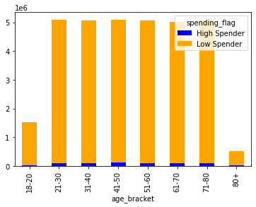

The most low spenders are aged between 21-80
There is a very small number of 'High Spenders' between each age bracket.

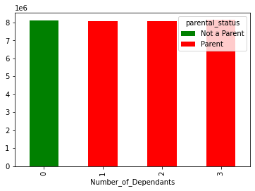

This bar chart looks at the which 'parental status' group the customers fall in to and the number of dependants each of those customers has, if any. We can see that there are equal number of parents who have dependants whether it is one or three.

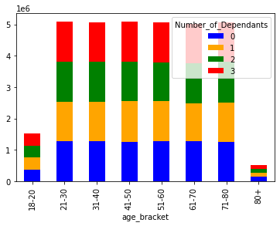

This stacked bar chart looks at the number of dependants customers have, if any within the different age groups. We can see that from the age of 21-80 there are equal number of dependants whereas for those between 18-20 and 80+ have fewer dependants.

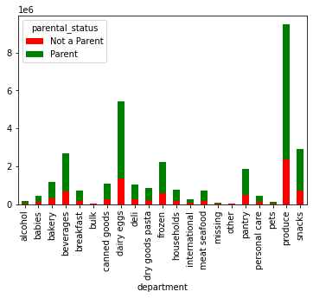

Here we look at which type of products customers buy most and least of whether they are parents or not. We can see most customers ussing Instacart are parents and but majority of their products from the produce department followed by dairy eggs, snacks and beverages. Those that are not parents also shop the most in the same department.
The departments the least money is spent on is alcohol, bulk, pets and other.

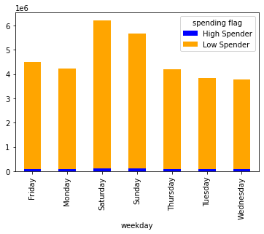

The low spending customers use Instacart the most throughout the entire week compared to those high spenders. Most money is spent on Friday, Saturday and Sunday.

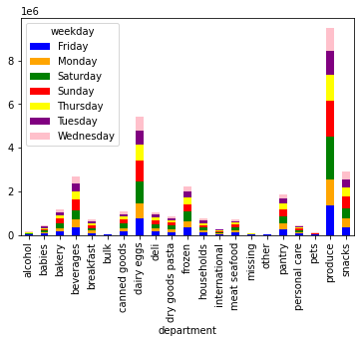

Here we look at the different departments and how much is spent in those departments on different days . We see that customers buy produce the most followed by dairy/eggs throughout each day of the week.

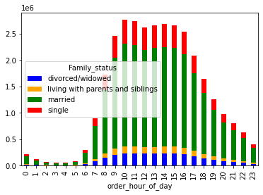

From this chart we look at the customers with different family statuses. Most customers are married followed by single customers who order between 9am and 4pm the most in a day. The least orders are placed from midnight to 6am by all customers.

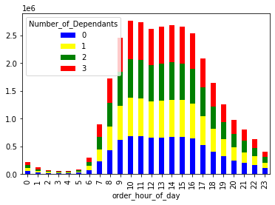

Those customers with all number of dependants (0-3) shop the most around 10 am, looking at a time frame we can see most shopping is done in the day between 10am and 3pm. Again we see the last shopping orders are placed between midnight and 6am.

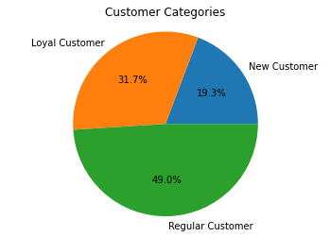

This pie chart shows us 49% of instacarts customer base are regular customers who have ordered their shopping between 10 and 40 times. 31.7% are loyal customers who have ordered over 40 times and new to Instacart are 19.3% who have placed orders less than 10 times.

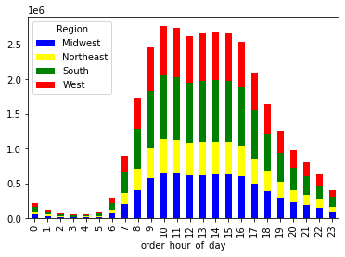

Most shopping as we have seen in previous charts takes place from 9am to 6pm, most in southern states, with the least number of orders place in the Northeast.

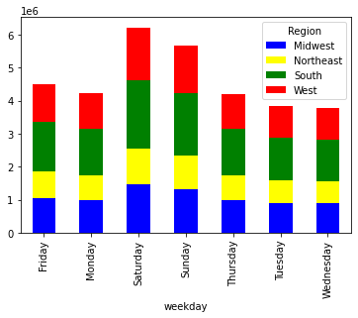

Those customers based in all regions place orders mostly on Saturday's followed by Sunday's and equally throughout the other days of the week.

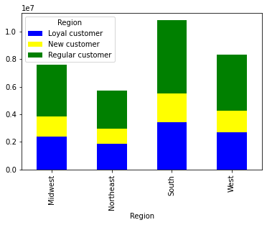

The South has the most regular, loyal and new customers with the least being in the Northeast.

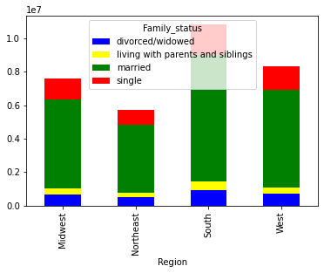

Customers within all the different family statuses using Instacart live mostly in the South with the least using Instacart in the Northeast.

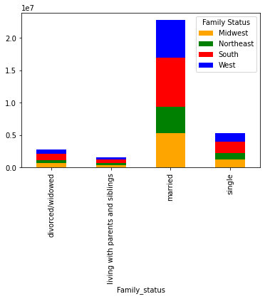

This chart looks at the family status of customers within each region. We can see that within all four regions Instacarts customers are married with the least number are those living with parents and siblings.

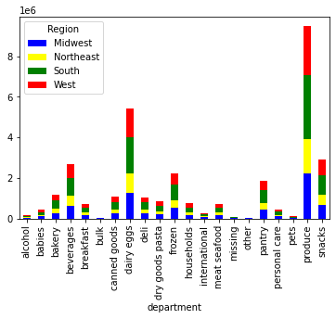

When we look at the different departments and where most orders are placed within each region we see the produce department has the most orders in all regions. This is followed by dairy/eggs, snacks and beverages. The least orders in all four regions are placed in the alcohol, pets, bulk, international and other departments.

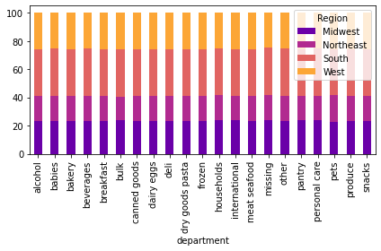
Looking at the 100% stacked bar chart we see that the South places the most orders within each department and the least is placed by those in the Northeast.

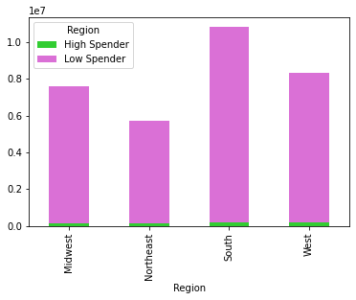

The low and high spenders are mainly based in the South region with the least spenders regardless of high or low in the Northeast region.

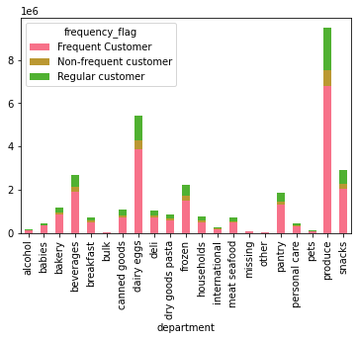

This chart looks at the frequency of orders placed by the customers in the different departments. All three different types of customers place the most orders in the produce department. Overall frequent customers place the most orders in all departments.

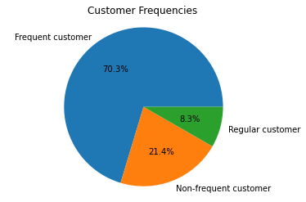

This pie chart demonstrates that 70.3% of customers place orders every 10 days or less, regular customers place orders between 10 and 20 days and non-frequent customers who account for 21.4% place orders more than 20 days apart.

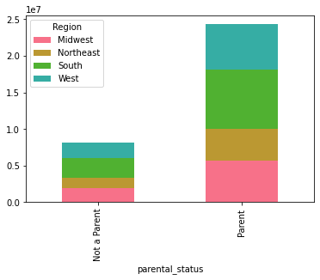

This chart shows the number of parents and customers who are not parents in each region. As we have previously seen most of the Instacart users are based in the South and the least in the Northeast.

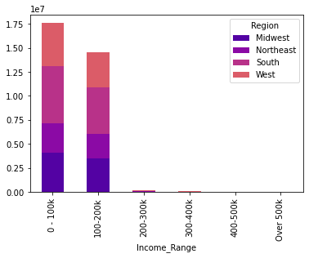

This chart looks at thenumber of customers within each region against the income range. Whilst we already know that Instacarts customer based has an income between 0-200k and very few thererafter we can again see on the chart that Southern states have the most customers within that income range.

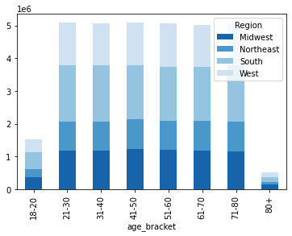

Most of Instacarts customers living in the regions are aged between 21-80.

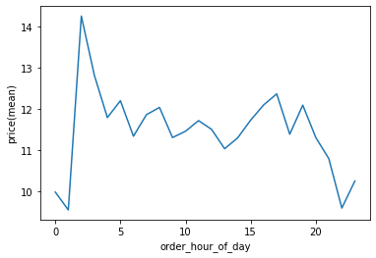
This line chart demonstrates the mean prie of products that are sold at the different times of the day. We already know that most orders are placed in the middle of the day so when we look at the chart the average price of products customers spend on is between 11 and 12 dollars. What is surprising is that around 1am in the morning the highest priced products are bought.

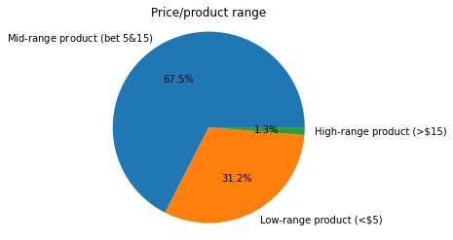

 | This pie chart shows different products varying in price range bought by the customers. Most expenditure is on mid-range products averaging 68% of all sales, whilst only 13% spend on products that are worth $15 or more.

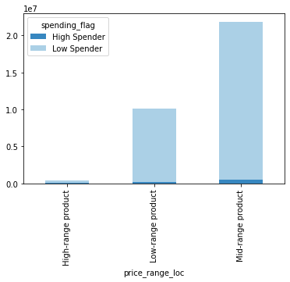

From this bar chart we can see the majority of low spenders buy products from the different price ranges. Majority of low and high spenders buy mid-range products.

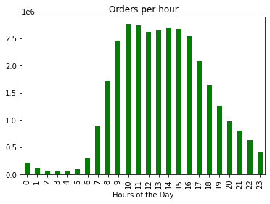

From this bar chart we can see that most orders are placed at 10am and start to slow down after 4pm. The orders are the slowest from midnight to 5am.

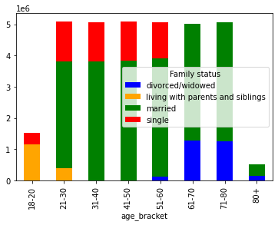
This stacked bar chart shows the different family statuses within the age brackets. We see a majority of green on the chart which identifies as customers who are married. Married customers are between the age of 21 and 80+.

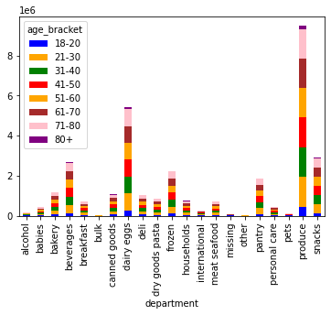

This chart shows the different departments customers from the age brackets place orders. The chart does not show anything different to what we have already seen.

7. Recommendations
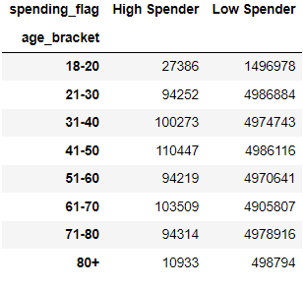
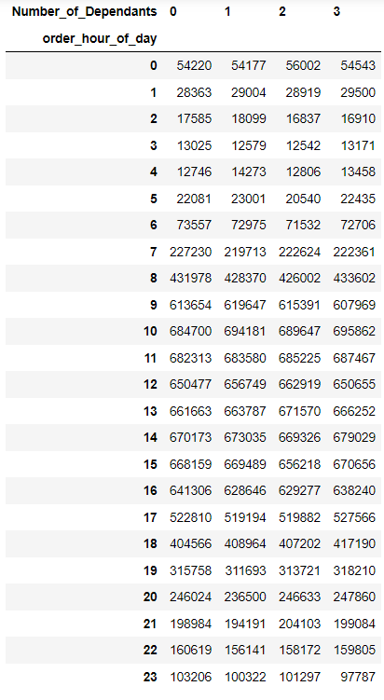
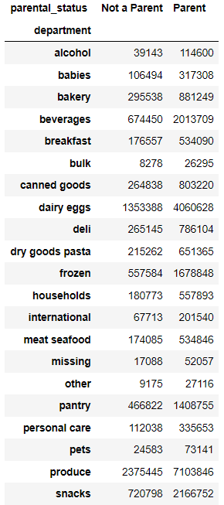
 |  | Title page

Recommendations

In this tab you should include any recommendations you would made to Instacart in terms of their marketing strategy based on the questions posed in the brief. Every key question has been covered in the Tasks of the Exercises - here you need to add an item - a visualisation or table/crosstable that is showing the answer in the data, acompanied by a comment from you. Please, list the questions below and add the answer underneath.

Question | Answer
Key Question 1 | What the busiest days of the week and hours of the day are (i.e., the days and times with the most orders)
The busiest day of the week as per the chart is Saturday follwed by Sunday and then Friday.
Recommendation: I would recommend maybe using incentives/offers on Mondays, Tuesdays and Wednesdays to boost sales on these days.
The busiest times of the day are from 10am to 4pm.
The least orders are placed between midnight and 5am.
Recommendation: To increase evening orders would depend on each store closing time. If Instacart needed to increase evening sales then the stores would need to be open and available for customers depending on when they would like their order delivered.
Key Question 2 | Are there particular times of the day when people spend the most money, as this might inform the type of products they advertise at these times.
This line chart shows customers spending on most expensive products at around 2am. Least expensive products are bought around 1am and 10pm.
Recommendation: Instacart needs to know which expensive products are bought at night and why to determine whether they could sold throughout the day. New marketing strategies to increase sales would need to be in place and attract the correct target audience.
This chart shows that within all four regions the most orders are placed from 10 am and 4pm. Majority of the orders are placed in the South.
Recommendation: Why are there fewer orders placed in other regions compared to the South? I suggest looking at what products are selling the most of in the south during this peak period and maybe introducing offers/incentives to boost sales in other regions.
Key Question 3 | Can the pricing system be made simpler?
By having the products grouped in to different price ranges helps to identify which products sell the most and which the least.
Recommendation: High range product sales need to be boosted by potentially targeting those with higher incomes and those who have lower incomes should be targeted with the low-range products.
Key Question 4 | Are there certain types of products that are more popular than others?
1
2
In both charts 1 and 2 we can see irrespective of region or customer frequency of Instacart use products from the produce department are most popular and bought frequently. this is followed by dairy/eggs, snacks and beverages.
Recommendation: The products selling the least need to either have price changes to atrract more customers or the use of different offers. Also Instacart could also look to switch product brands to may be increase the products from different departments to be sold. Certain lines of products could also be discontinued should they continue to have an impact on overall sale figures.
Key Question 5 | What’s the distribution among users in regards to their brand loyalty (i.e., how often do they return to Instacart)?
This pie chart shows us 49% of instacarts customer base are regular customers who have ordered their shopping between 10 and 40 times. 31.7% are loyal customers who have ordered over 40 times and new to Instacart are 19.3% who have placed orders less than 10 times.
Recommendations: Reward those customers who continue to support the use of Instacart and its services and for those new customers create new offers to attract continuous use.
Key Question 6 | Are there differences in ordering habits based on a customer’s loyalty status?
There are no significant differences in ordering habits in terms of department or the region orders are placed from.
Regular customers place most orders in the produce department followed dairy/eggs, snacks and beverages as we have seen previously.
Key Question 7 | Are there differences in ordering habits based on a customer’s region?
1
2
3
Based on the Regions we already know that the South has the most orders placed. As we can see from graphs 1,2 and 3 there are no differences to the ordering habits in terms of time of day, the actual day or department to the trends we have akready seen.
Key Question 8 | Is there a connection between age and family status in terms of ordering habits?
There is no impact on ordering habits when looking at age brackets or family status.
Key Question 9 | What different classifications does the demographic information suggest? Age? Income? Certain types of goods? Family status?
Most orders are placed by customers who are between the age of 21-80.
Income ranges allows us to determine which type of products can be targeted at which income range in order to improve overall sales.
Most customers are married with either dependants of 1, 2 or 3. Certain departments that have low orders/ sales could be marketed at this group of people to increase awareness and therefore revenue
Majority of the customers are low spenders, with the highest number being in the South.
Recommendation - Instacart needs to look at ways to increase the number of high spenders in all regions. Look at what is popular in the different regions to increase orders.
Key Question 10 | What differences can you find in ordering habits of different customer profiles?

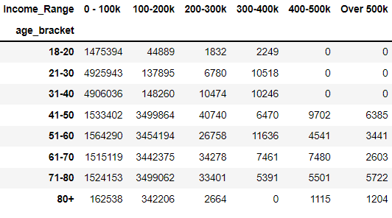

Those under the age of 40 have a low income of 0-100k and generally spend the least on their orders.
Those that are 80 and above have the lowest spending even though a good majority have an income between 100-200k.

